Sheet 1
 |  |  |  |  |  |  |  |  |  |  |  |  |  |  | Based on April 2019 - March 2020 data
Ward Name | No. of Children Currently Registered (Distinct Count) | No. of children who attended at least once | No. of Children attending more than once | No. of Attendances | No. of Children [Aged 0-2, Deprived areas] Living in the Ward as per ONS published March 24 | No. of Children [Aged 0-2, Deprived areas] Currently Registered with CC (Distinct Count) | No. of Children [Aged 0-2, Deprived areas] who attended a CC at Least Once | No. of Children [Aged 0-2, Deprived areas] who attended a CC more than once | No. of Attendances [Aged 0-2, Deprived areas] | No. of Children [Aged 3-4, Deprived areas] Living in the Ward as per ONS published March 24 | No. of Children [Aged 3-4, Deprived areas] Currently Registered with CC (Distinct Count) | No. of Children [Aged 3-4, Deprived areas] who attended a CC at Least Once | No. of Children [Aged 3-4, Deprived areas] who attended a CC more than once | No. of Attendances [Aged 3-4, Deprived areas] |  | https://democracy.bexley.gov.uk/documents/s102326/Report.pdf | page 2
Barnehurst | 213 | 17 | 20 | 237 | 419 | 43 | X | X | 28 | 303 | 10 | X |  | X | Jul-24
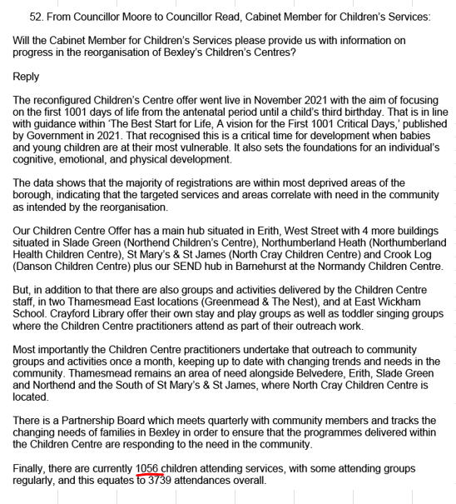
Belvedere | 441 | 37 | 65 | 710 | 708 | 235 | 18 | 45 | 485 | 504 | 46 | X | X | 7
Bexleyheath | 208 | 14 | 28 | 161 | 499 | 7 |  | X | X | 364 | X
Blackfen & Lamorbey | 174 | 10 | 21 | 78 | 549 |  |  |  |  | 357
Blendon & Penhill | 171 | 7 | 13 | 78 | 542 |  |  |  |  | 348
Crayford | 274 | 14 | 18 | 160 | 605 | 26 | X | X | 10 | 434 | 6
Crook Log | 197 | 13 | 15 | 98 | 464 |  |  |  |  | 347
East Wickham | 229 | 20 | 31 | 254 | 527 | 26 | X | X | 24 | 343 | X |  | X | X
Erith | 548 | 33 | 81 | 630 | 729 | 324 | 24 | 57 | 480 | 433 | 94 | 8 | X | 24
Falconwood & Welling | 176 | 7 | 15 | 91 | 531 | 30 |  | X | 25 | 409 | X | X |  | X
Longlands | 99 | 12 | 9 | 81 | 330 | 7 |  |  |  | 225 | X
Northumberland Heath | 254 | 14 | 34 | 299 | 362 | 122 | 9 | 16 | 129 | 257 | 25 | X | X | X
Sidcup | 201 | 25 | 23 | 272 | 354 | 70 | X | 17 | 210 | 271 | 11 |  | X | 7
Slade Green & Northend | 386 | 38 | 42 | 301 | 495 | 239 | 23 | 29 | 213 | 333 | 40 | X | X | 14
St. Mary's & St. James | 127 | 13 | 12 | 93 | 528 | 35 | X | X | 22 | 392 | X | X |  | X
Thamesmead East | 312 | 40 | 83 | 784 | 570 | 193 | 28 | 57 | 587 | 459 | 38 | 6 | X | 26
West Heath | 175 | 21 | 20 | 131 | 491 |  |  |  |  | 385
 |  |  | 530 | 4,458 |  | 1357 |  | 221 | 2213 |  |  | 14 |  | 78
 |  |  | contrast to 7,021 in 2021 | NB 3739 in Read's reponse in July 2024 - his number is not 12-months, likely |  |  |  | +6-30 |  |  |  | +6-30
Based on January 2024-December 2024 data |  |  |  |  |  |  |  |  | Total children attending at least once, Aged 0-4, Deprived | 250-300
 |  |  |  |  |  |  |  |  |  | contrast to 1521 children from deprived areas attending at least once in 2021

